DSP

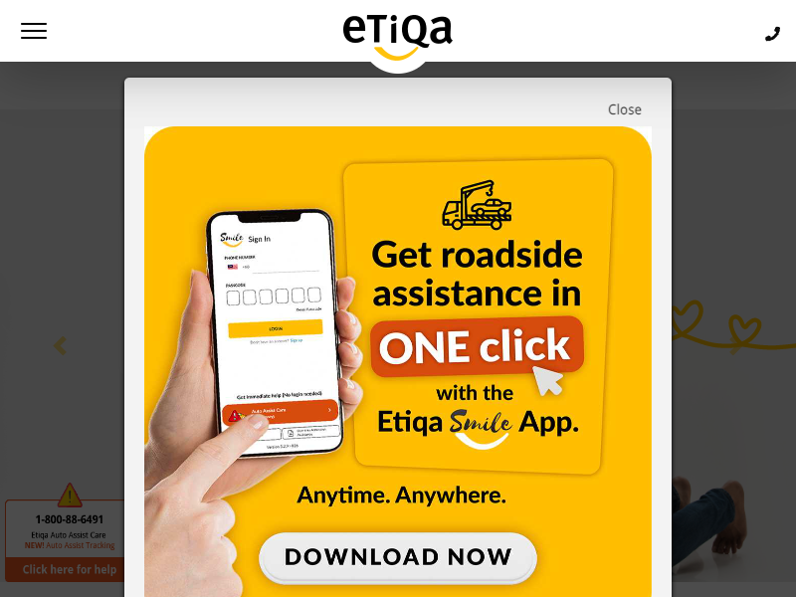
# | URL | Image | Status
1 | https://www.etiqa.com.my/v2/homepage |  | Yes
2 | https://www.motortakaful.com/motorcar/en/takaful/getquote1 |  | Yes
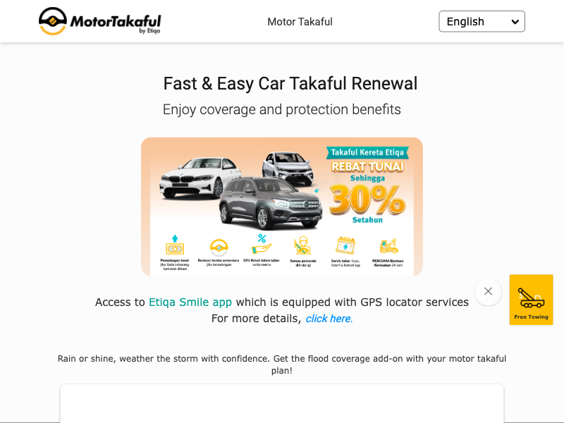
3 | https://www.etiqa.com.my/motorcar/en/insurance/getquote1 |  | Yes
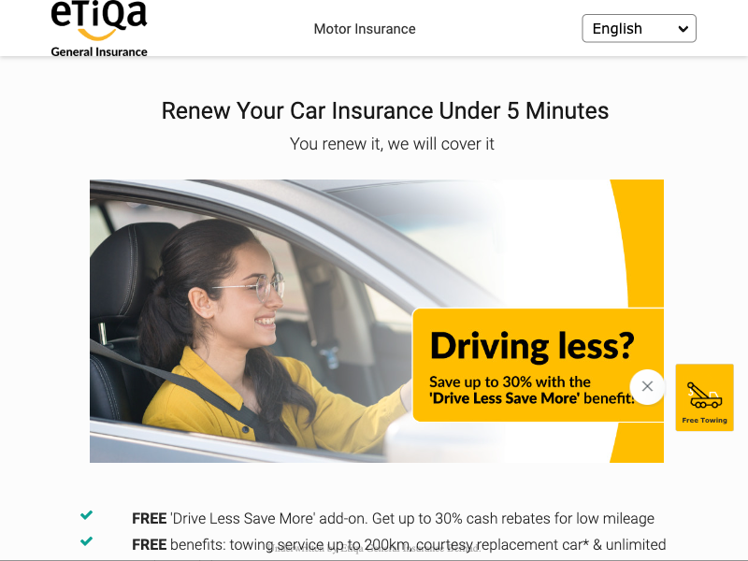
4 | https://www.motortakaful.com/motorcycle/en/takaful/getquote1 |  | Yes
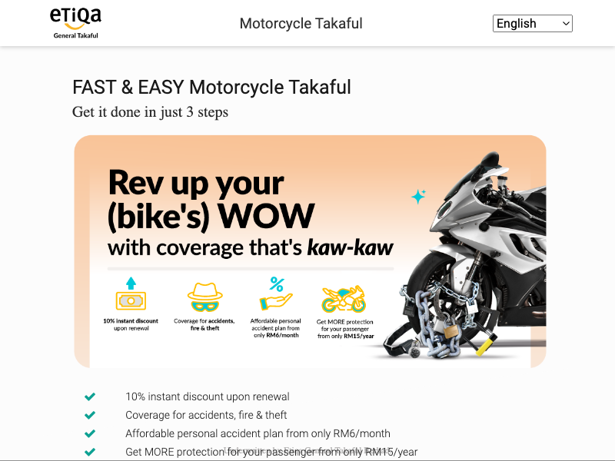
5 | https://www.etiqa.com.my/motorcycle/en/insurance/getquote1 |  | Yes
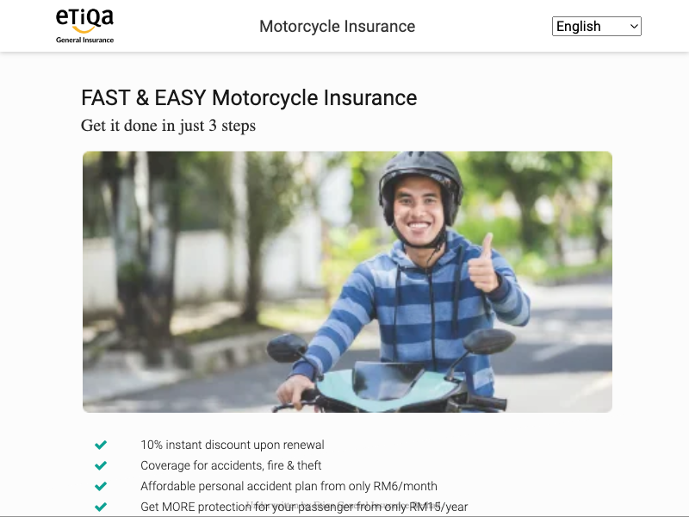
6 | https://www.etiqa.com.my/tripcare360-new/en/insurance/qq1 |  | Yes
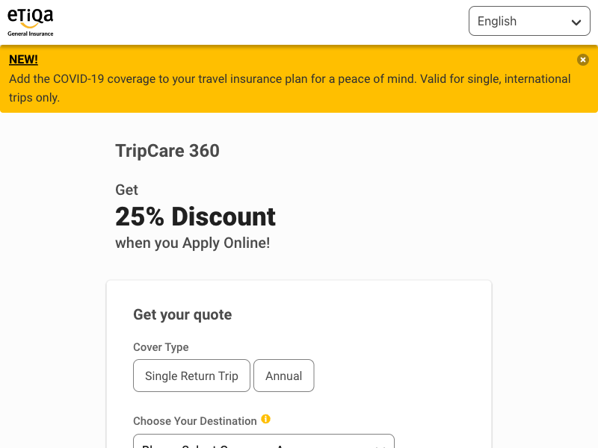
7 | https://www.etiqa.com.my/tripcare360-new/en/takaful/qq1 |  | Yes
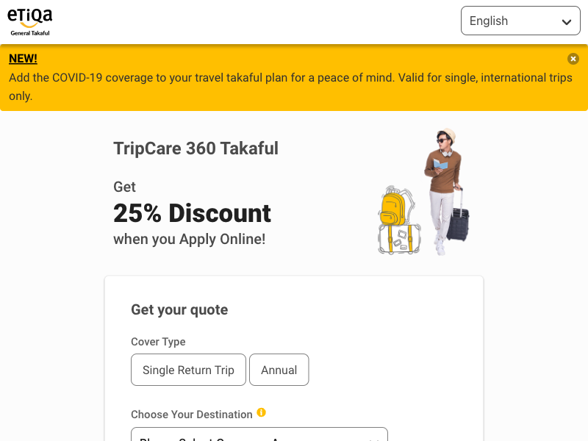
8 | https://www.etiqa.com.my/getonline/TravelEzyInsurance |  | Yes

9 | https://www.etiqa.com.my/getonline/TravelEzyTakaful |  | Yes

10 | https://etiqa.com.my/myrumah/insurance/en/qq1 |  | Yes
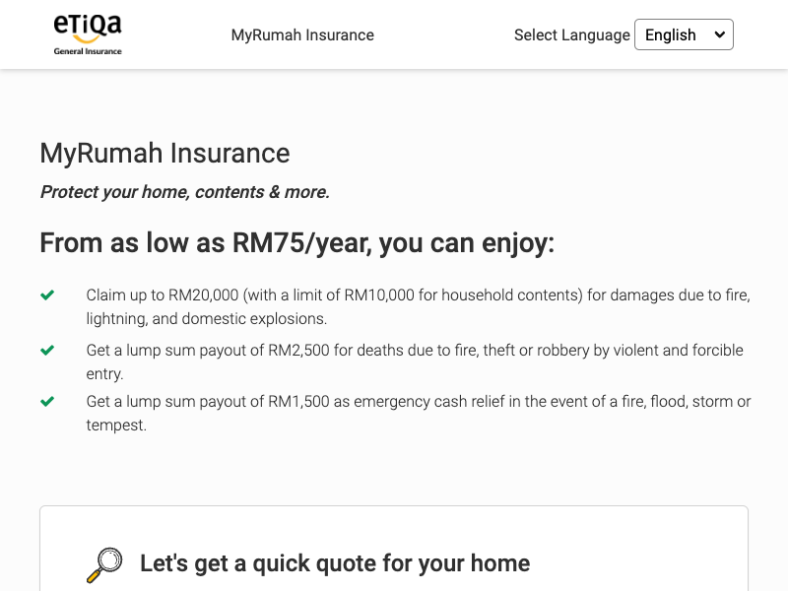
11 | https://etiqa.com.my/myrumah/takaful/en/qq1 |  | Yes
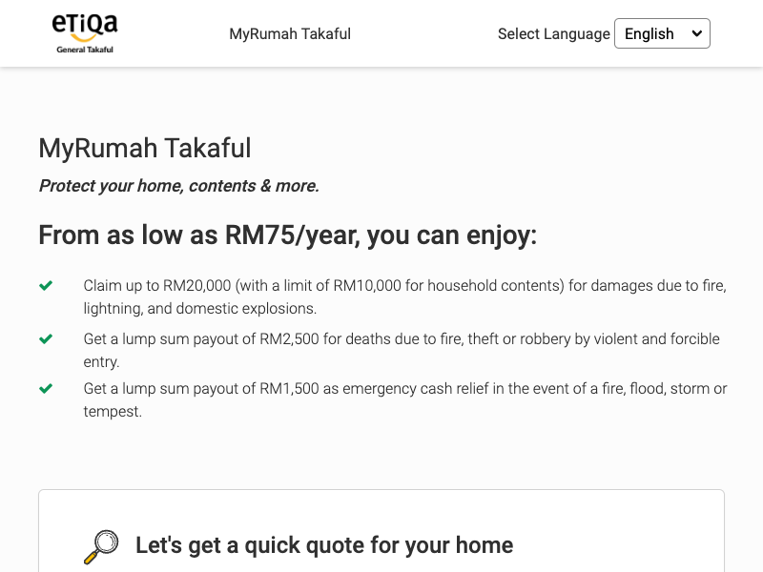
12 | https://www.etiqa.com.my/hohh/insurance/en/qq1 |  | Yes
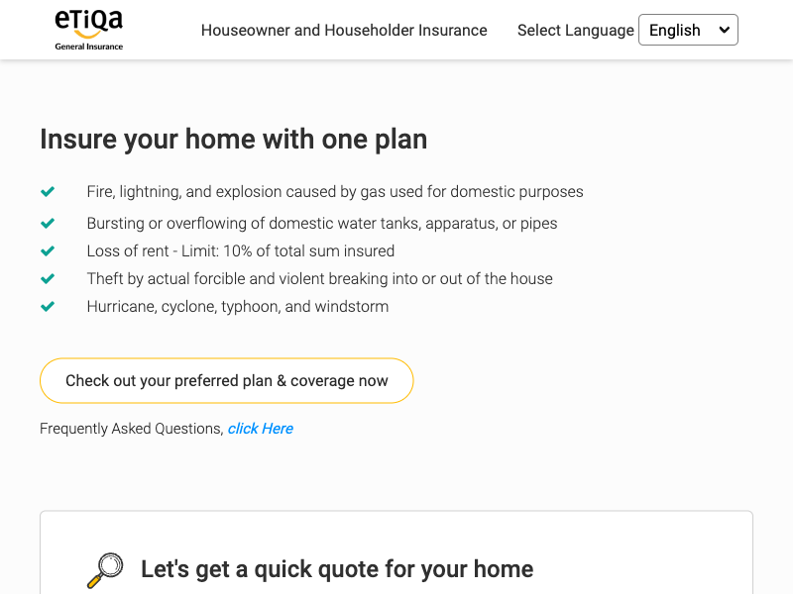
13 | https://www.etiqa.com.my/hohh/takaful/en/qq1 |  | Yes
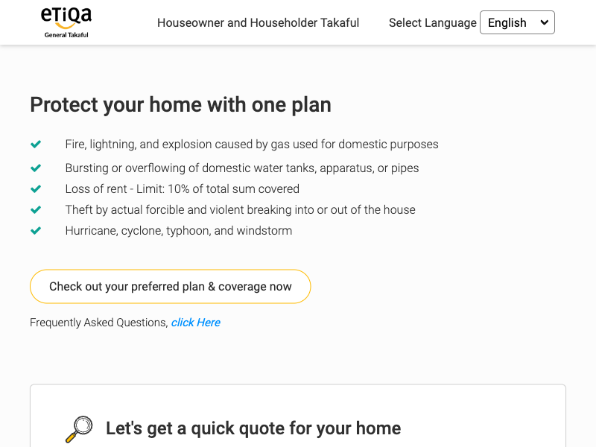
14 | https://www.etiqa.com.my/oto360/en/takaful/getquote |  | Yes
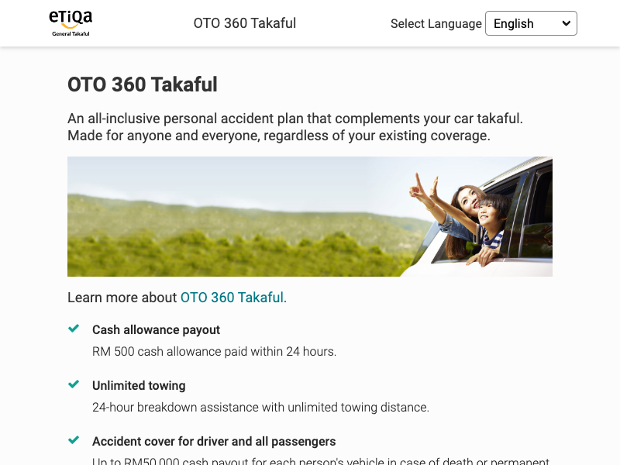
15 | https://www.etiqa.com.my/oto360/en/insurance/getquote |  | Yes

16 | https://www.etiqa.com.my/getonline/BuddyInsurance |  | Yes
17 | https://www.etiqa.com.my/getonline/BuddyTakaful |  | Yes
18 | https://www.etiqa.com.my/icare-oku/en/takaful/tkf-en-qq1 |  | Yes
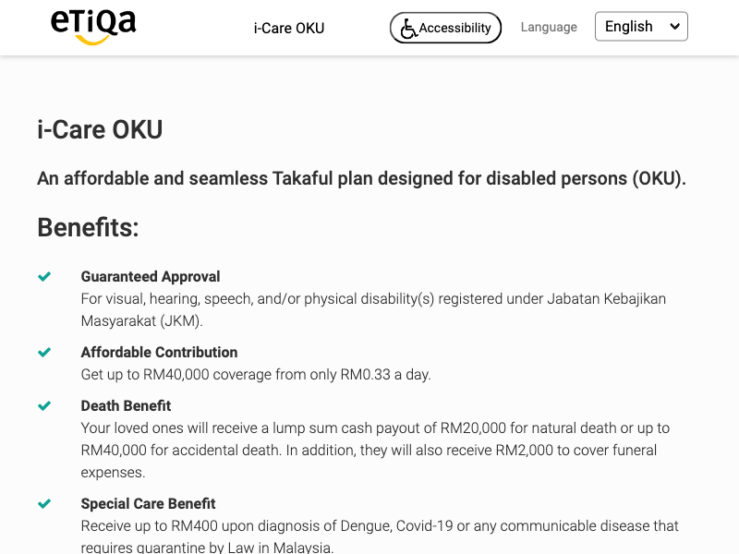
19 | https://www.etiqa.com.my/icare-oku/en/takaful/tkf-en-qq1 |  | Yes
20 | https://www.etiqa.com.my/termlife/isecure/en/qq1 |  | Yes
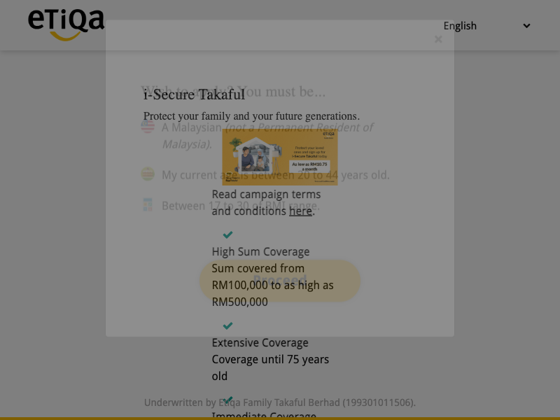
21 | https://etiqa.com.my/termlife/ezylifesecure/en/qq1 |  | Yes
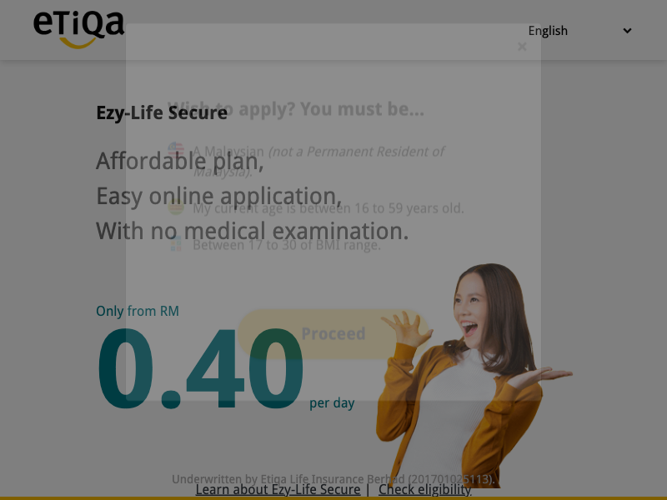
22 | https://www.etiqa.com.my/termlife/ezysecure/en/qq1 |  | Yes
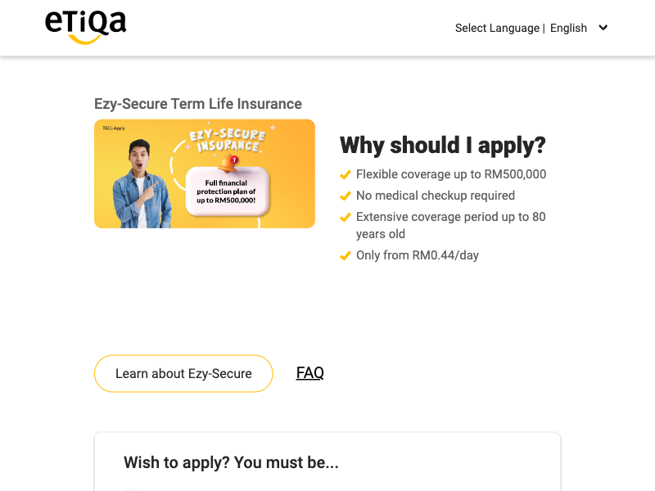
23 | https://www.etiqa.com.my/termlife/idoublesecure/en/qq1 |  | Yes
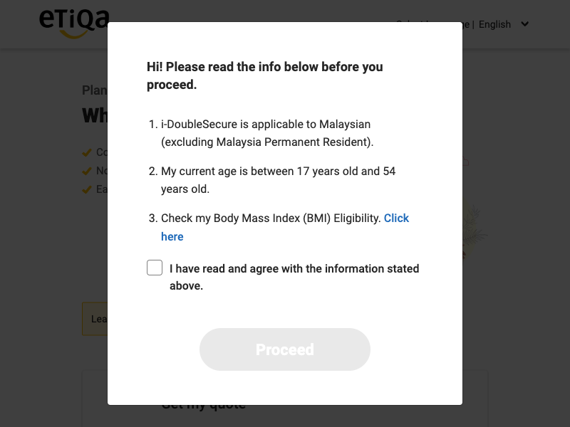
24 | https://www.etiqa.com.my/medical-family/en/insurance/ins-en-qq1 |  | Yes
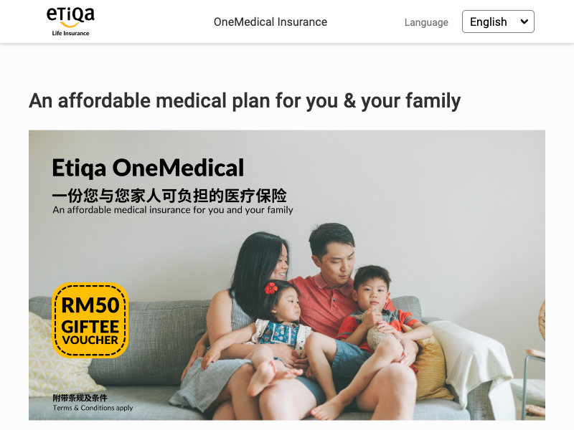
25 | https://www.etiqa.com.my/medical-family/en/takaful/tkf-en-qq1 |  | Yes
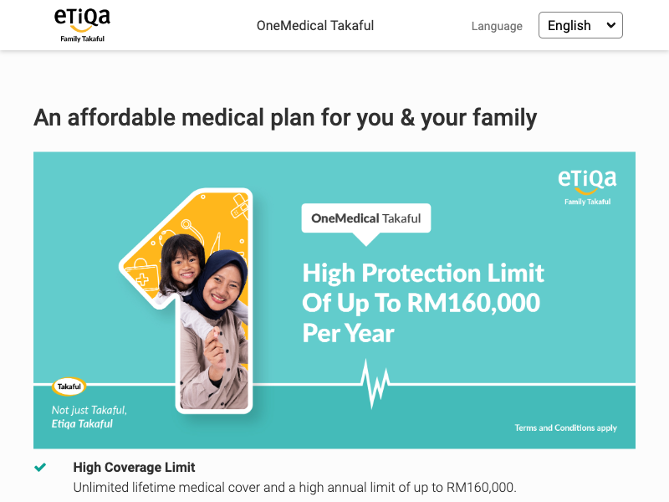
26 | https://www.etiqa.com.my/cancer-care/en/insurance/qq1 |  | Yes
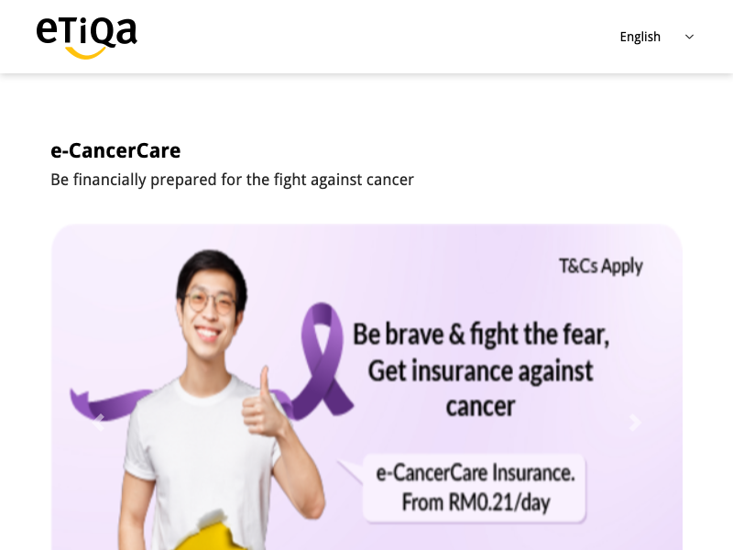
27 | https://www.etiqa.com.my/cancer-care/en/takaful |  | Yes
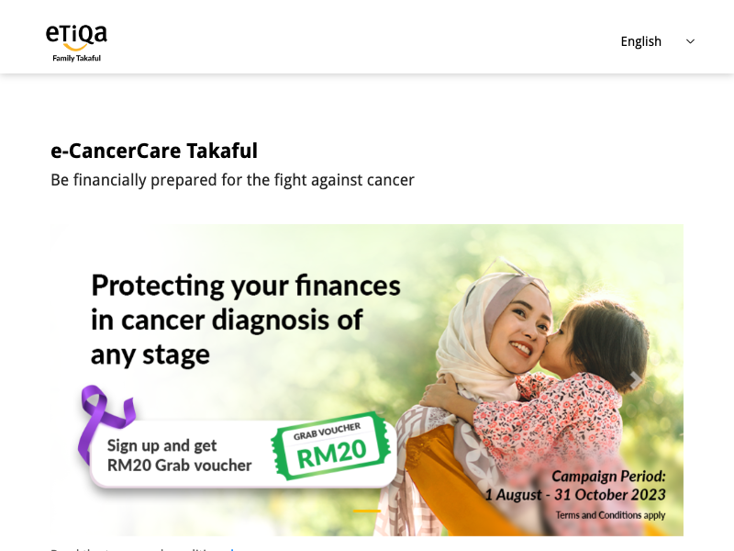
28 | https://www.motortakaful.com/home |  | Yes

